Impr Forest Mgmt
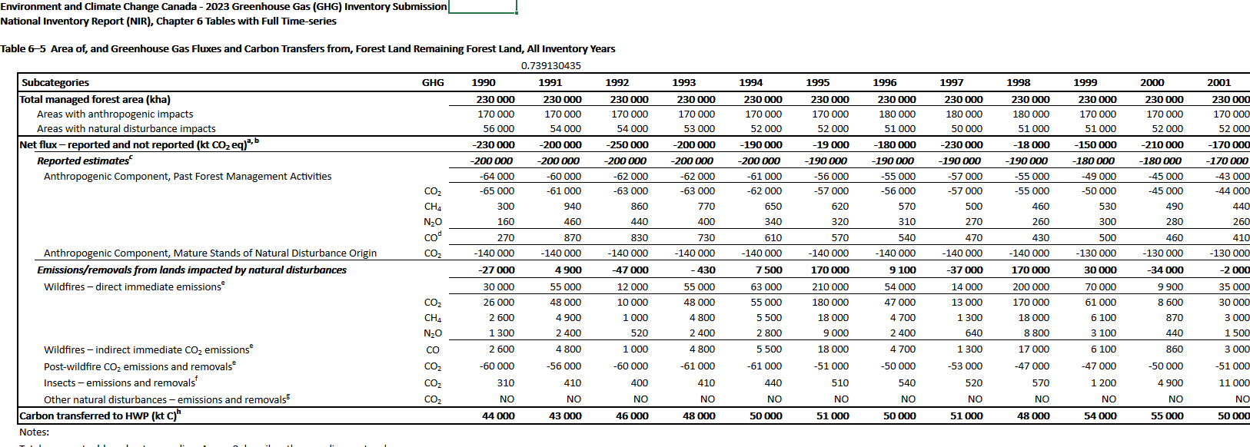
As noted in EPS directions, this value must be the total area of forest that may
be subject to improved management specifically for carbon sequestration purposes,
not an area to be incrementally added to managed areas each year.

Total forest inventory in Canada
361.73 | million ha | SOURCE: | https://natural-resources.canada.ca/sites/nrcan/files/forest/sof2022/SoF_Annual2022_EN_access.pdf
Area certified as sustainably managed
235.13 | million ha | SOURCE: | https://cca-reports.ca/wp-content/uploads/2021/03/Carbon-Sinks_EN_CH-3_Forests.pdf
Area that could be managed better |  |  | 65% of total forests in Canada managed. 35% of total forests in Canada unmanaged
126.61 | million ha
312,850,805 | acres

Forests that are privately-owned, affected by unfavorable environmental conditions,
or other factors may not be suitable for aggressive carbon-sequestering management
techniques.

Assumed value of 10% used to prevent improved forest management lever from reducing more emissions than 65,000 kT CO2e from 1990 as per NIR 2023 reference. Rationale is that what is historically stated is likely the upper ceiling for forest land use mitigation. |  |  |  | Elaborate further in rationale for assumption

10% | share of forest that is suitable for improved management

Accounting for the two factors above, the area that could be managed for
aggressive carbon sequestration techniques is:

31,285,080 | acres

